Results
Freight rail transport results
January - November 2016 |  |  | 2016 | 2015 | change % 2016/2015
 | weight [k ton] |  | 202,573.75 | 206,414.11 | -1.86%
 | transport performance [m t-km] |  | 46,253.81 | 46,535.77 | -0.61%
 | operating performance [k train-km] |  | 67,619.404 | 68,755.72 | -1.65%
Weight [k ton]
 | 2016 | 2015 | 2014 | change % 2016/2015 | change % 2015/2014
January | 15,704.02 | 16,283.90 | 17,752.59 | -3.56% | -8.27%
February | 16,441.97 | 15,314.95 | 16,809.84 | 7.36% | -8.89%
March | 17,793.66 | 18,811.03 | 19,033.03 | -5.41% | -1.17%
April | 17,591.23 | 18,125.06 | 18,514.59 | -2.95% | -2.10%
May | 17,557.41 | 18,868.43 | 18,752.44 | -6.95% | 0.62%
June | 18,706.10 | 18,790.27 | 17,915.00 | -0.45% | 4.89%
July | 18,826.83 | 19,378.78 | 19,609.46 | -2.85% | -1.18%
August | 19,186.79 | 18,822.82 | 19,155.33 | 1.93% | -1.74%
September | 20,030.22 | 20,619.23 | 20,966.97 | -2.86% | -1.66%
October | 20,586.17 | 21,283.02 | 21,791.01 | -3.27% | -2.33%
November | 20,149.36 | 20,116.63 | 20,046.45 | 0.16% | 0.35%
December |  | 18,363.19 | 18,519.30 |  | -0.84%

 | 2014 | 2015 | 2016
January | 17,752.59 | 16,283.90 | 15,704.02
February | 16,809.84 | 15,314.95 | 16,441.97
March | 19,033.03 | 18,811.03 | 17,793.66
April | 18,514.59 | 18,125.06 | 17,591.23
May | 18,752.44 | 18,868.43 | 17,557.41
June | 17,915.00 | 18,790.27 | 18,706.10
July | 19,609.46 | 19,378.78 | 18,826.83
August | 19,155.33 | 18,822.82 | 19,186.79
September | 20,966.97 | 20,619.23 | 20,030.22
October | 21,791.01 | 21,283.02 | 20,586.17
November | 20,046.45 | 20,116.63 | 20,149.36
December | 18,519.30 | 18,363.19

Transport performance [m t-km]
 | 2016 | 2015 | 2014 | change % 2016/2015 | change % 2015/2014
January | 3,422.54 | 3,456.21 | 3,700.97 | -0.97% | -6.61%
February | 3,755.31 | 3,602.20 | 3,524.64 | 4.25% | 2.20%
March | 4,212.46 | 4,251.29 | 4,202.49 | -0.91% | 1.16%
April | 4,152.69 | 4,061.05 | 4,178.06 | 2.26% | -2.80%
May | 4,142.17 | 4,350.40 | 4,281.71 | -4.79% | 1.60%
June | 4,256.99 | 4,201.35 | 4,002.57 | 1.32% | 4.97%
July | 4,212.72 | 4,345.84 | 4,370.68 | -3.06% | -0.57%
August | 4,381.17 | 4,235.00 | 4,324.39 | 3.45% | -2.07%
September | 4,494.11 | 4,632.20 | 4,555.95 | -2.98% | 1.67%
October | 4,729.67 | 4,821.45 | 4,660.43 | -1.90% | 3.45%
November | 4,494.00 | 4,578.78 | 4,386.97 | -1.85% | 4.37%
December |  | 4,069.76 | 3,908.77 |  | 4.12%
 | 2014 | 2015 | 2016
January | 3,700.97 | 3,456.21 | 3,422.54
February | 3,524.64 | 3,602.20 | 3,755.31
March | 4,202.49 | 4,251.29 | 4,212.46
April | 4,178.06 | 4,061.05 | 4,152.69
May | 4,281.71 | 4,350.40 | 4,142.17
June | 4,002.57 | 4,201.35 | 4,256.99
July | 4,370.68 | 4,345.84 | 4,212.72
August | 4,324.39 | 4,235.00 | 4,381.17
September | 4,555.95 | 4,632.20 | 4,494.11
October | 4,660.43 | 4,821.45 | 4,729.67
November | 4,386.97 | 4,578.78 | 4,494.00
December | 3,908.77 | 4,069.76

Operating performance [k train-km]
 | 2016 | 2015 | 2014 | change % 2016/2015 | change % 2015/2014
January | 5,128 | 5,134 | 5,425 | -0.12% | -5.35%
February | 5,500 | 5,221 | 5,432 | 5.34% | -3.89%
March | 6,083 | 6,292 | 6,403 | -3.32% | -1.73%
April | 6,015 | 5,962 | 6,307 | 0.90% | -5.48%
May | 6,069 | 6,346 | 6,382 | -4.36% | -0.56%
June | 6,329 | 6,305 | 6,214 | 0.37% | 1.46%
July | 6,185 | 6,361 | 6,518 | -2.77% | -2.41%
August | 6,282 | 6,332 | 6,366 | -0.80% | -0.53%
September | 6,539 | 6,866 | 6,639 | -4.76% | 3.42%
October | 6,914 | 7,199 | 6,893 | -3.95% | 4.44%
November | 6,577 | 6,739 | 6,507 | -2.40% | 3.56%
December |  | 6,010 | 5,821 |  | 3.24%

 | 2014 | 2015 | 2016
January | 5,425 | 5,134 | 5,128
February | 5,432 | 5,221 | 5,500
March | 6,403 | 6,292 | 6,083
April | 6,307 | 5,962 | 6,015
May | 6,382 | 6,346 | 6,069
June | 6,214 | 6,305 | 6,329
July | 6,518 | 6,361 | 6,185
August | 6,366 | 6,332 | 6,282
September | 6,639 | 6,866 | 6,539
October | 6,893 | 7,199 | 6,914
November | 6,507 | 6,739 | 6,577
December | 5,821 | 6,010

Shares
Shares of railway undertakings in terms of transported weight (share>0,5%)
 |  |  |  |  |  | 2016 |  |  |  |  |  |  | 2015
 | I | I-II | I-III | I-IV | I-V | I-VI | I-VII | I-VIII | I-IX | I-X | I-XI | I-XII
PKP Cargo | 44.67% | 44.23% | 44.03% | 43.57% | 43.50% | 43.53% | 43.49% | 43.48% | 43.60% | 43.71% | 43.83% |  | 47.48%
DB Cargo Polska | 19.15% | 19.12% | 18.62% | 18.38% | 18.09% | 18.19% | 18.17% | 18.26% | 18.24% | 18.15% | 18.02% |  | 17.71%
Lotos Kolej | 6.48% | 6.41% | 6.22% | 6.15% | 6.06% | 5.92% | 5.86% | 5.84% | 5.80% | 5.76% | 5.72% |  | 5.61%
CTL Logistics | 3.98% | 3.92% | 4.15% | 4.30% | 4.50% | 4.43% | 4.36% | 4.33% | 4.30% | 4.39% | 4.42% |  | 4.30%
PKP LHS | 4.75% | 4.50% | 4.41% | 4.26% | 4.27% | 4.30% | 4.37% | 4.38% | 4.39% | 4.40% | 4.35% |  | 3.58%
PUK Kolprem | 3.06% | 2.98% | 3.00% | 2.99% | 2.95% | 2.87% | 2.82% | 2.79% | 2.76% | 2.73% | 2.72% |  | 2.23%
Pol-Miedź Trans | 2.03% | 2.21% | 2.32% | 2.37% | 2.38% | 2.37% | 2.34% | 2.30% | 2.27% | 2.27% | 2.27% |  | 2.33%
Freightliner PL | 1.44% | 1.66% | 1.91% | 1.99% | 1.96% | 1.99% | 2.07% | 2.14% | 2.21% | 2.24% | 2.26% |  | 2.52%
Orlen Kol-Trans | 2.12% | 2.00% | 1.90% | 1.89% | 1.89% | 1.79% | 1.78% | 1.78% | 1.73% | 1.66% | 1.62% |  | 1.45%
Rail Polska | 1.05% | 1.37% | 1.51% | 1.55% | 1.58% | 1.56% | 1.60% | 1.59% | 1.59% | 1.59% | 1.59% |  | 1.39%
CTL Train | 1.38% | 1.35% | 1.25% | 1.27% | 1.26% | 1.29% | 1.32% | 1.36% | 1.37% | 1.34% | 1.33% |  | 1.60%
Ciech Cargo | 1.21% | 1.23% | 1.27% | 1.29% | 1.31% | 1.29% | 1.27% | 1.24% | 1.23% | 1.21% | 1.22% |  | 1.02%
KP Kotlarnia | 0.80% | 0.76% | 0.88% | 1.03% | 1.10% | 1.17% | 1.20% | 1.21% | 1.19% | 1.16% | 1.15% |  | 1.36%
Koleje Czeskie | 0.87% | 0.78% | 0.89% | 0.92% | 0.89% | 0.89% | 0.91% | 0.90% | 0.87% | 0.90% | 0.93% |  | 0.15%
STK | 0.62% | 0.61% | 0.61% | 0.65% | 0.74% | 0.79% | 0.80% | 0.81% | 0.85% | 0.89% | 0.91% |  | 0.75%
ZPiS Spedkoks | 0.72% | 0.72% | 0.70% | 0.69% | 0.71% | 0.66% | 0.66% | 0.65% | 0.65% | 0.66% | 0.66% |  | 0.31%
Inter Cargo | 0.55% | 0.62% | 0.66% | 0.67% | 0.67% | 0.67% | 0.68% | 0.67% | 0.67% | 0.66% | 0.66% |  | 0.41%
Euronaft | 0.32% | 0.35% | 0.36% | 0.48% | 0.55% | 0.60% | 0.62% | 0.62% | 0.64% | 0.64% | 0.65% |  | 0.42%
Captrain Polska | 0.75% | 0.79% | 0.77% | 0.79% | 0.79% | 0.75% | 0.72% | 0.69% | 0.69% | 0.66% | 0.64% |  | 0.23%
Ecco Rail | 0.53% | 0.59% | 0.58% | 0.59% | 0.58% | 0.59% | 0.60% | 0.60% | 0.58% | 0.59% | 0.60% |  | 0.36%
Others | 3.49% | 3.80% | 3.96% | 4.16% | 4.23% | 4.34% | 4.36% | 4.34% | 4.35% | 4.39% | 4.44% |  | 4.81%

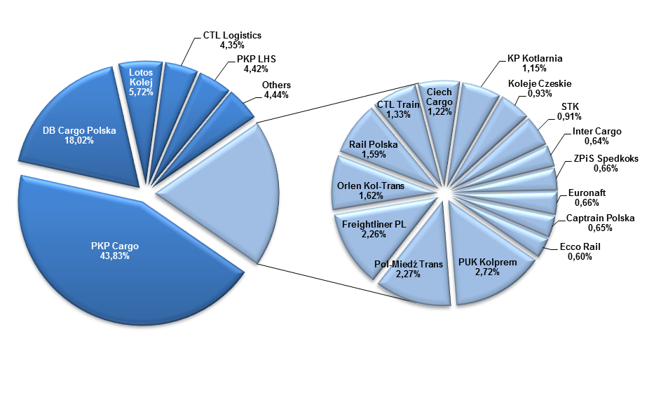
Shares of railway undertakings in terms of transported weight, January - November 2016 (share>0,5%)

Shares of railway undertakings in terms of transport performance, (share>0,5%)
 |  |  |  |  |  | 2016 |  |  |  |  |  |  | 2015
 | I | I-II | I-III | I-IV | I-V | I-VI | I-VII | I-VIII | I-IX | I-X | I-XI | I-XII
PKP Cargo | 51.37% | 51.90% | 52.01% | 51.23% | 50.98% | 51.05% | 51.14% | 51.17% | 51.25% | 51.35% | 51.46% |  | 55.66%
Lotos Kolej | 11.83% | 11.43% | 10.86% | 10.61% | 10.49% | 10.33% | 10.33% | 10.38% | 10.37% | 10.30% | 10.25% |  | 9.91%
PKP LHS | 5.86% | 5.65% | 6.00% | 6.29% | 6.57% | 6.48% | 6.40% | 6.39% | 6.37% | 6.47% | 6.49% |  | 6.24%
CTL Logistics | 6.99% | 6.45% | 6.23% | 5.91% | 5.97% | 5.97% | 5.92% | 5.81% | 5.85% | 5.91% | 5.87% |  | 5.75%
DB Cargo Polska | 5.52% | 5.38% | 5.06% | 5.49% | 5.41% | 5.53% | 5.46% | 5.50% | 5.42% | 5.32% | 5.22% |  | 5.17%
Freightliner PL | 2.12% | 2.20% | 2.46% | 2.67% | 2.63% | 2.64% | 2.67% | 2.74% | 2.80% | 2.80% | 2.83% |  | 2.74%
Orlen Kol-Trans | 3.36% | 3.00% | 2.73% | 2.69% | 2.65% | 2.56% | 2.53% | 2.51% | 2.47% | 2.35% | 2.30% |  | 2.23%
Pol-Miedź Trans | 1.51% | 1.71% | 1.84% | 1.91% | 1.91% | 1.94% | 1.92% | 1.88% | 1.87% | 1.87% | 1.87% |  | 1.96%
Rail Polska | 0.83% | 1.35% | 1.56% | 1.66% | 1.69% | 1.71% | 1.76% | 1.76% | 1.76% | 1.73% | 1.72% |  | 1.63%
PUK Kolprem | 1.45% | 1.35% | 1.35% | 1.34% | 1.34% | 1.34% | 1.34% | 1.33% | 1.30% | 1.28% | 1.27% |  | 0.94%
Captrain Polska | 0.96% | 0.91% | 0.89% | 0.92% | 0.94% | 0.93% | 0.93% | 0.93% | 0.96% | 1.03% | 1.08% |  | 1.09%
STK | 0.63% | 0.68% | 0.68% | 0.84% | 0.94% | 1.00% | 1.03% | 1.03% | 1.04% | 1.05% | 1.05% |  | 0.36%
Euronaft Trzebinia | 1.34% | 1.16% | 1.09% | 1.06% | 1.08% | 1.06% | 1.06% | 1.05% | 1.04% | 1.01% | 1.03% |  | 0.87%
Ciech Cargo | 1.10% | 1.14% | 1.09% | 1.07% | 1.09% | 1.04% | 1.03% | 1.04% | 1.02% | 1.02% | 1.03% |  | 0.43%
Ecco Rail | 0.73% | 0.84% | 0.87% | 0.91% | 0.89% | 0.92% | 0.93% | 0.93% | 0.92% | 0.91% | 0.95% |  | 0.61%
Koleje Czeskie | 0.93% | 0.78% | 0.87% | 0.80% | 0.73% | 0.71% | 0.70% | 0.70% | 0.69% | 0.67% | 0.67% |  | 0.08%
FHU. Orion Kolej | 0.06% | 0.15% | 0.26% | 0.33% | 0.39% | 0.45% | 0.49% | 0.55% | 0.60% | 0.64% | 0.66% |  | 0.31%
Inter Cargo | 0.47% | 0.55% | 0.58% | 0.64% | 0.66% | 0.62% | 0.63% | 0.56% | 0.57% | 0.55% | 0.53% |  | 0.07%
Track Tec Logistics | - | 0.39% | 0.53% | 0.60% | 0.64% | 0.67% | 0.65% | 0.57% | 0.50% | 0.44% | 0.40% |  | -
Others | 2.93% | 3.00% | 3.02% | 3.02% | 3.02% | 3.06% | 3.10% | 3.17% | 3.22% | 3.26% | 3.33% |  | 3.94%

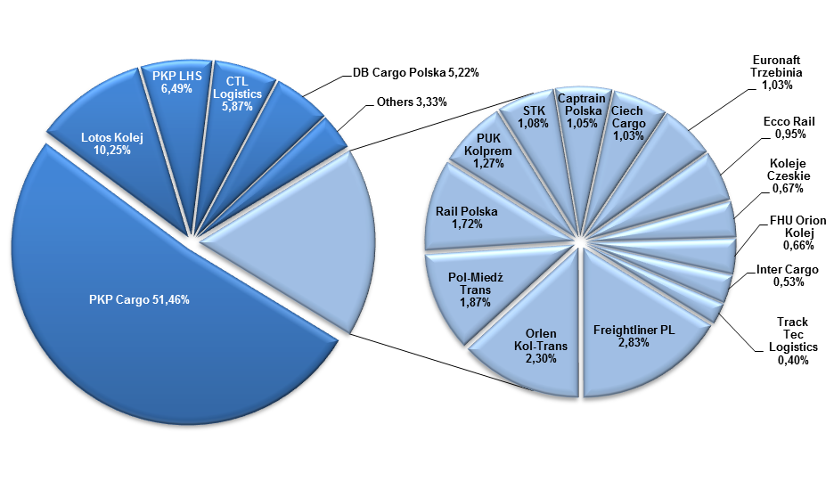
Shares of railway undertakings in terms of transport performance, January - November 2016 (share>0,5%)

